Module Pool Logic
Object Description |  | Need a Module pool with functionality to display BOM Compponent Stock Details for the entered BOM in M Pool format. The M Pool should be able to Display the stock details once the BOM number or created On values are entered in the selection screen. The available stock details needs to displayed on the second screen once the line (BOM Material number is clicked by user)

Logic for Mpool Code
1 | Select the BOM details based on the BOM number entered in the selection screen and get the BOM details from STKO and STPO
2 | Pass the Component number in MAKT to get the material text (only English language) and use this material to get the stock details from MARD
3 | In Screen 1, the field Plant and storage location must be an dropdown havign all the values where that BOM exists
4 | Based on the plant and storage location option, the details will be displayed on the next scrren after submit is clicked
5 | Back button can be used to navigate to the previous screen and Clear button will clear only plant and storage location
6 | The stock details must be displayed in screen 2 as per the selected values from screen 1
7 | Print Form' Button will generate the Adobeform for the Component stock Details
8 | Refer the screenshots below for screen desining and form layout design
9 | The Back button on screen 2 should navigate to screen 1
Functionality:
 | Mpool : Input Screen |  | Note: its Mpool Input Screen Type M Program…its not a report type E Program | Result/Output Screen
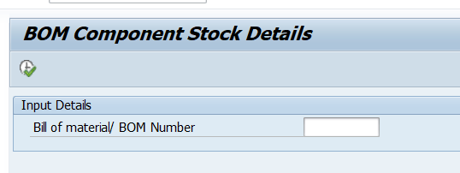
 |  |  |  | Screen 1

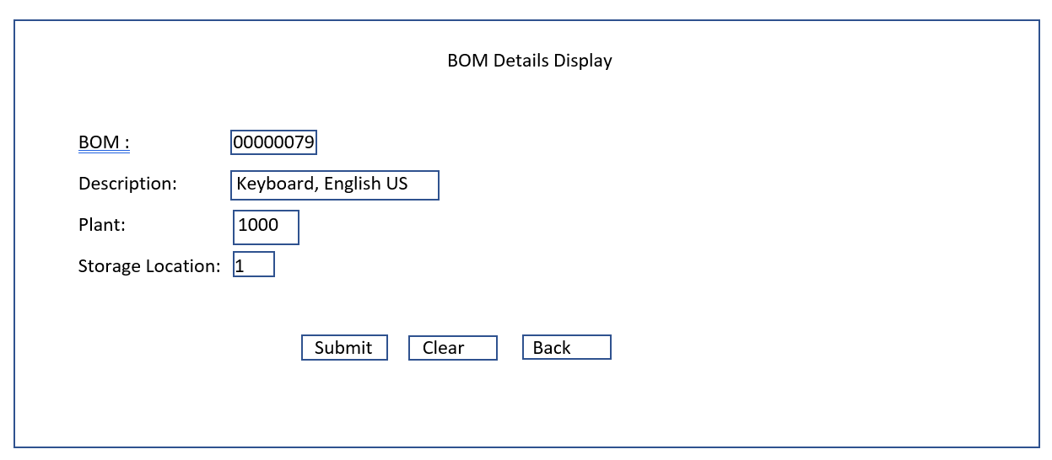

 | Screen 2
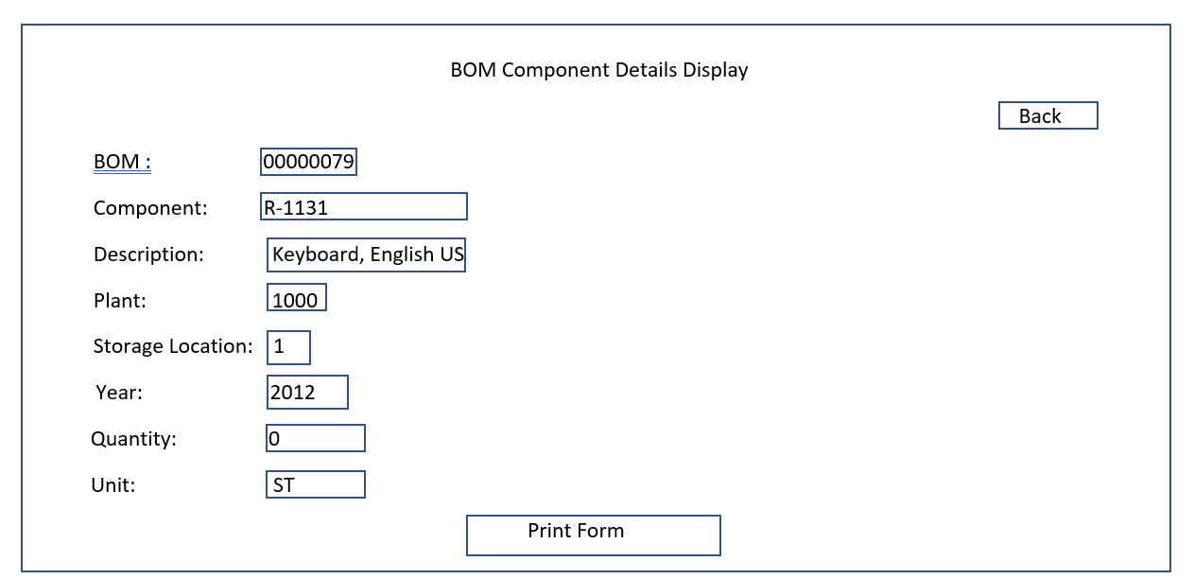

 | Adobe Form
 | Refer the next tab

